How to Edit This Template
Easily track social media performance across every network with Hootsuite.
Get real-time results and easy-to-read custom reports.
👉 Start Your Free 30 Day Trial 👈
To use any (or all of) the templates in this Google Sheet, make a copy of it or download it as an Excel spreadsheet.

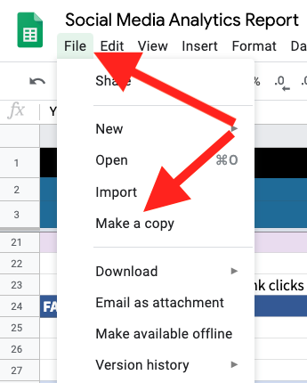
Read the full article: | The Best Social Media Analytics Tools (And How to Use Them)

